0526
sudo su - dwasadm
cd /sys2/iis/v11.7/ASBServer/bin
./RepositoryAdmin.sh -dr -rn ESDB | [dwasadm@dlnxap71 bin]$ ./RepositoryAdmin.sh -dr -rn ESDB May 26, 2021 2:56:31 PM com.ibm.xmeta.pm.orm.impl.LegacySessionManager cleanupLocks INFO: Clearing abandoned locks (1) ... DatabasePlatform.databaseType=DB2 DatabasePlatform.version=11.1 DatabaseServer.host=localhost DatabaseServer.port=25791 Database.name=dexcd011 Database.alias=EXCSDEV Database.location=/db2home/ind1ifsr/sqllib Repository.name=ESDB Repository.description= Repository.tool=DataQualityConsole Repository.context= Repository.schema=cddexd01
 | [dwasadm@dlnxap71 bin]$ cat esdb_repository.properties # Licensed Materials - Property of IBM # Copyright IBM Corp. 2013 # # IBM InfoSphere DataStage and QualityStage ExceptionStage Database Registration properties file # # Set "DatabasePlatform.databaseType" to identify which database manager you use. For example: DB2, ORACLE, or SQLSERVER DatabasePlatform.databaseType=DB2 #DatabasePlatform.version=@DatabasePlatform.version@ DatabasePlatform.version=11.1 DatabaseServer.host=localhost DatabaseServer.port=25791 Database.name=dexcd011 Database.alias=EXCSDEV # "Database.location" is the path where the database files are stored. Database.location=/db2home/ind1ifsr/sqllib # Do not modify the "Tablespace.name" value. # If you modify this value, you must change the "Tablespace" parameter in the generated ESDBConnect.cfg file. Tablespace.name=EXC_TBS # Do not modify the Repository.name value. Repository.name=ESDB # Do not modify Repository.tool value. Repository.tool=DataQualityConsole # The Repository.schema value is normally set to the same value as RepositoryConnection.userName. Repository.schema=cddexd01 RepositoryConnection.name=ESDB RepositoryConnection.userName=cddexd01 RepositoryConnection.password=Helyol-567 # The RepositoryConnection.managedDataSourceName value is the DSN name that is configured on the Engine tier. RepositoryConnection.managedDataSourceName=@RepositoryConnection.managedDataSourceName@ # The RepositoryConnection.properties value sets database-specific connection properties. # If the DatabasePlatform.databaseType value is set to ORACLE, RepositoryConnection.properties must include the serviceName=<SID or serviceName> property. #RepositoryConnection.properties=@RepositoryConnection.properties@ [dwasadm@dlnxap71 bin]$
[dwasadm@dlnxap71 bin]$ ./RepositoryAdmin.sh -urr -rn ESDB [dwasadm@dlnxap71 bin]$ ./RepositoryAdmin.sh -urd -dn dexcd011 [dwasadm@dlnxap71 bin]$ ./RepositoryAdmin.sh -dr -rn ESDB | 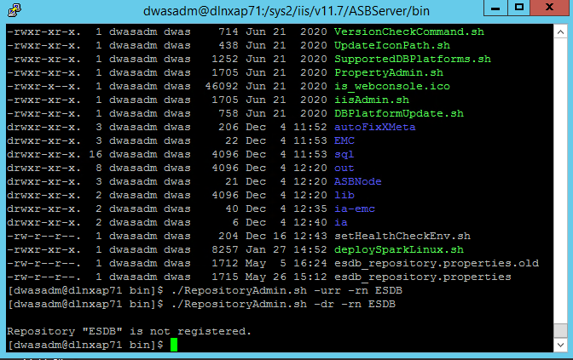
[dwasadm@dlnxap71 bin]$ ./RepositoryAdmin.sh -rr -pf esdb_repository.properties [dwasadm@dlnxap71 bin]$ ./RepositoryAdmin.sh -dr -rn ESDB | [dwasadm@dlnxap71 bin]$ ./RepositoryAdmin.sh -rr -pf esdb_repository.properties [dwasadm@dlnxap71 bin]$ ./RepositoryAdmin.sh -dr -rn ESDB DatabasePlatform.databaseType=DB2 DatabasePlatform.version=11.1 DatabaseServer.host=dlnxap71 DatabaseServer.port=25791 Database.name=dexcd011 Database.alias=EXCSDEV Database.location=/db2home/ind1ifsr/sqllib Repository.name=ESDB Repository.description= Repository.tool=DataQualityConsole Repository.context= Repository.schema=cddexd01 RepositoryConnection.name=ESDB RepositoryConnection.userName=cddexd01 RepositoryConnection.password={iisenc}H4EDPhh+gZZyvoKccgT2bg== RepositoryConnection.connectionURL=jdbc:db2://dlnxap71:25791/dexcd011 RepositoryConnection.managedDataSourceName=@RepositoryConnection.managedDataSourceName@ Tablespace.name=EXC_TBS
[dwasadm@dlnxap71 bin]$./RepositoryAdmin.sh -tc -rn ESDB -cn ESDB

0621_bat
1 | Copy alnxde91:/sys2/iis/v11.7/Server/ESDB/esdb_repository.properties to alnxap81:/sys2/iis/v11.7/ASBServer/bin, update with BAT values
 | DatabasePlatform.databaseType=DB2
 | DatabasePlatform.version=11.1
 | DatabaseServer.host=alnxdb91
 | DatabaseServer.port=25791
 | Database.name=dexb011
 | Database.alias=EXCSBAT
 | Database.location=/db2main/infs/inb1ifsr
 | Tablespace.name=EXC_TBS
 | Repository.name=ESDB
 | Repository.tool=DataQualityConsole
 | Repository.schema=cdbexd01
 | RepositoryConnection.name=ESDB
 | RepositoryConnection.userName= cdbexd01
 | RepositoryConnection.password=xxxx
 | RepositoryConnection.managedDataSourceName=ESDB
 | RepositoryConnection.properties=

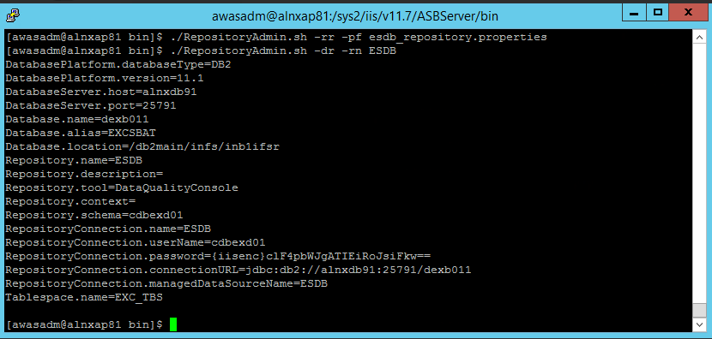
2 | ./RepositoryAdmin.sh -rr -pf esdb_repository.properties ./RepositoryAdmin.sh -dr -rn ESDB
 | [awasadm@alnxap81 bin]$ ./RepositoryAdmin.sh -rr -pf esdb_repository.properties
 | [awasadm@alnxap81 bin]$ ./RepositoryAdmin.sh -dr -rn ESDB
 | DatabasePlatform.databaseType=DB2
 | DatabasePlatform.version=11.1
 | DatabaseServer.host=alnxdb91
 | DatabaseServer.port=25791
 | Database.name=dexb011
 | Database.alias=EXCSBAT
 | Database.location=/db2main/infs/inb1ifsr
 | Repository.name=ESDB
 | Repository.description=
 | Repository.tool=DataQualityConsole
 | Repository.context=
 | Repository.schema=cdbexd01
 | RepositoryConnection.name=ESDB
 | RepositoryConnection.userName=cdbexd01
 | RepositoryConnection.password={iisenc}clF4pbWJgATIEiRoJsiFkw==
 | RepositoryConnection.connectionURL=jdbc:db2://alnxdb91:25791/dexb011
 | RepositoryConnection.managedDataSourceName=ESDB
 | Tablespace.name=EXC_TBS

3 | ./RepositoryAdmin.sh -sss -rn ESDB -sl ../temp/
 | [awasadm@alnxap81 bin]$ ./RepositoryAdmin.sh -sss -rn ESDB -sl ../temp/
 | ../temp/esdb_table_creation.sql
 | ../temp/esdb_db_creation.sql
 | ../temp/esdb_tablespace_creation.sql
 | ../temp/esdb_remove_schema_tablespace.sql
 | ../temp/esdb_permissions_schema_creation.sql

0623_bat
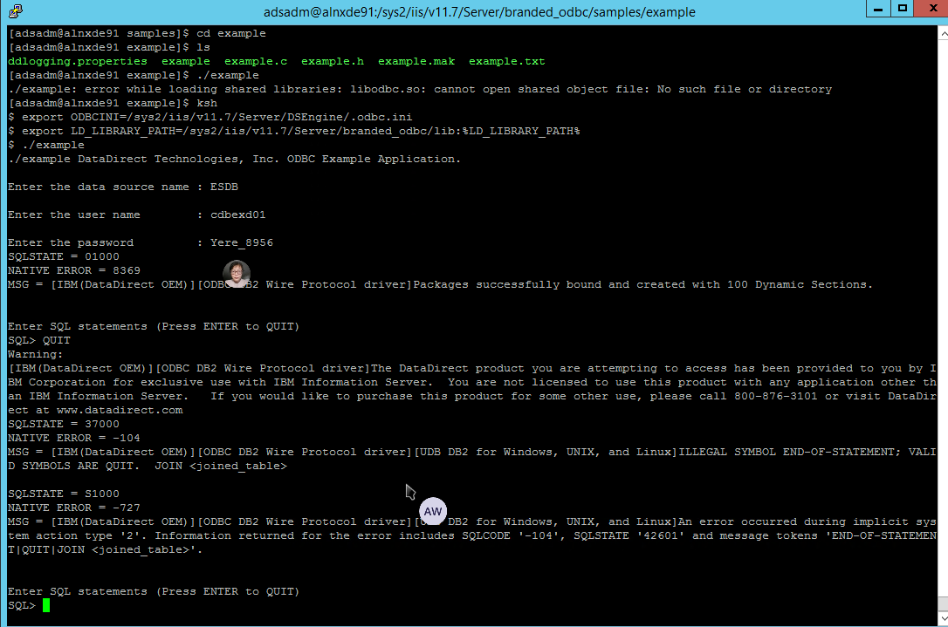
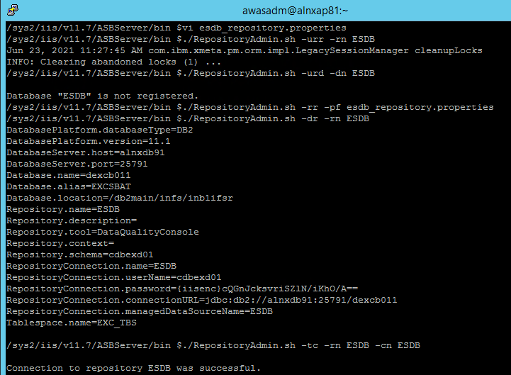
1 | Remove, and reregister
 | /sys2/iis/v11.7/ASBServer/bin $vi esdb_repository.properties
 | /sys2/iis/v11.7/ASBServer/bin $./RepositoryAdmin.sh -urr -rn ESDB
 | /sys2/iis/v11.7/ASBServer/bin $./RepositoryAdmin.sh -urd -dn ESDB

 | Database "ESDB" is not registered.
 | /sys2/iis/v11.7/ASBServer/bin $./RepositoryAdmin.sh -rr -pf esdb_repository.properties
 | /sys2/iis/v11.7/ASBServer/bin $./RepositoryAdmin.sh -dr -rn ESDB
 | DatabasePlatform.databaseType=DB2
 | DatabasePlatform.version=11.1
 | DatabaseServer.host=alnxdb91
 | DatabaseServer.port=25791
 | Database.name=dexcb011
 | Database.alias=EXCSBAT
 | Database.location=/db2main/infs/inb1ifsr
 | Repository.name=ESDB
 | Repository.description=
 | Repository.tool=DataQualityConsole
 | Repository.context=
 | Repository.schema=cdbexd01
 | RepositoryConnection.name=ESDB
 | RepositoryConnection.userName=cdbexd01
 | RepositoryConnection.password={iisenc}cQGnJcksvriSZlN/iKhO/A==
 | RepositoryConnection.connectionURL=jdbc:db2://alnxdb91:25791/dexb011
 | RepositoryConnection.managedDataSourceName=ESDB
 | Tablespace.name=EXC_TBS
2 | Repository it
 | /sys2/iis/v11.7/ASBServer/bin $./RepositoryAdmin.sh -tc -rn ESDB -cn ESDB

 | Connection to repository ESDB was successful.

3 | odbc setup and testing
 | Make sure the driver lib directory has been specified in the library path (and also specify the ODBCINI variable):

 | /opt/Progress/DataDirect/Connect_for_ODBC_61/samples/demo # ksh
 | /opt/Progress/DataDirect/Connect_for_ODBC_61/samples/demo # export LD_LIBRARY_PATH=/opt/Progress/DataDirect/Connect_for_ODBC_61/lib:% LD_LIBRARY_PATH%
 | /opt/Progress/DataDirect/Connect_for_ODBC_61/samples/demo # export ODBCINI=/opt/Progress/DataDirect/Connect_for_ODBC_61/odbc.ini

 | [adsadm@alnxde91 DSEngine]$ ksh
 | $ pwd
 | /sys2/iis/v11.7/Server/DSEngine
 | $ export ODBCINI=/sys2/iis/v11.7/Server/DSEngine/.odbc.ini
 | $ vi .odbc.ini
 | $ export LD_LIBRARY_PATH=/sys2/iis/v11.7/Server/branded_odbc/lib:%LD_LIBRARY_PATH%

 | . ./dsenv
 | [adsadm@alnxde91 DSEngine]$ . ./dsenv

0708
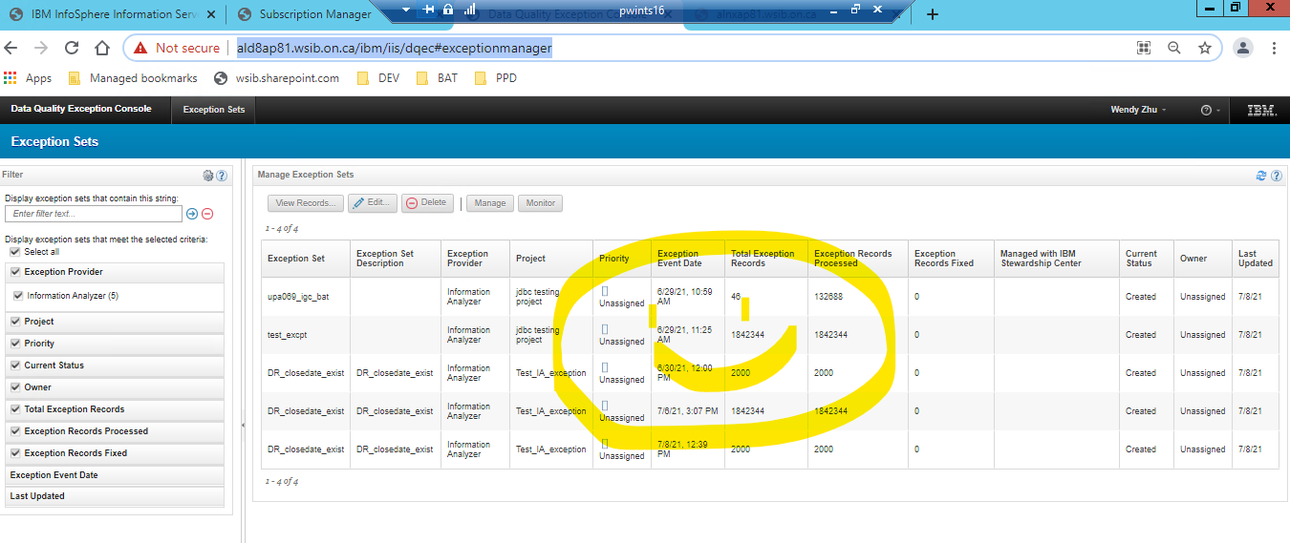

 | 8 Jul 2021 10:07 AM
 | Hello Wendy,
 | From the information you provided we can see the exceptions are generated but they are not being processed, this you can see in the line where it shows Processed: --:
 | EVENT [ Type: NEW_EXCEPTIONS_EVENT, Created on: 2021-06-29 10:59:40, Processed on: --,
 | In this case, the thing to try is to recreate the schedules as follows:
 | /opt/IBM/InformationServer/Clients/istools/cli/istool.sh event taskSchedule -stop -u isadmin -p <isadmin password>
 | /opt/IBM/InformationServer/Clients/istools/cli/istool.sh event taskSchedule -taskScheduleRepeat "0 * * ? * * *" -u isadmin -p <isadmin password>
 | /opt/IBM/InformationServer/Clients/istools/cli/istool.sh event taskSchedule -start -u isadmin -p <isadmin password>
 | Please run and let me know the results. Thank you.
 | Regards,
 | Elaine

1 | cd /sys2/iis/v11.7/Clients/istools/cli
2 | ./istool.sh event taskSchedule -stop -u adsadm -p <adsadm password>
3 | ./istool.sh event taskSchedule -taskScheduleRepeat "0 * * ? * * *" -u adsadm -p <adsadm password>
4 | ./istool.sh event taskSchedule -start -u adsadm -p <adsadm password>

5 | ./istool.sh event listEvents -domain alnxap81.wsib.on.ca:9446 -u upa069_igc_bat -p upa069_igc_bat

 | EVENT [ Type: DISCOVER_IMPORT_COMPLETE, Created on: 2021-06-29 14:53:12, Processed on: 2021-07-08 12:33:04, Properties: [ discoverOperationId=1624992733479, timestampAsLong=1624992791838 ] ]

 | EVENT [ Type: IA_DATARULE_RUNNING_EVENT, Created on: 2021-06-29 15:00:24, Processed on: 2021-07-08 12:33:04, Properties: [ projectRid=ec1481df.64b1b87d.604nkm7r4.seq5jib.k85da9.iocokmfpdpm1752f2tgor, ruleRid=ec1481df.a5023b17.604nkm93s.i519o3g.thpqd3.7rl9kjcjj32du5kd4b43r, tamRid=ec1481df.fee6c3ac.604nkm8um.bdqvmd2.a37udm.qlkg06dot19envnuhlukb ] ]
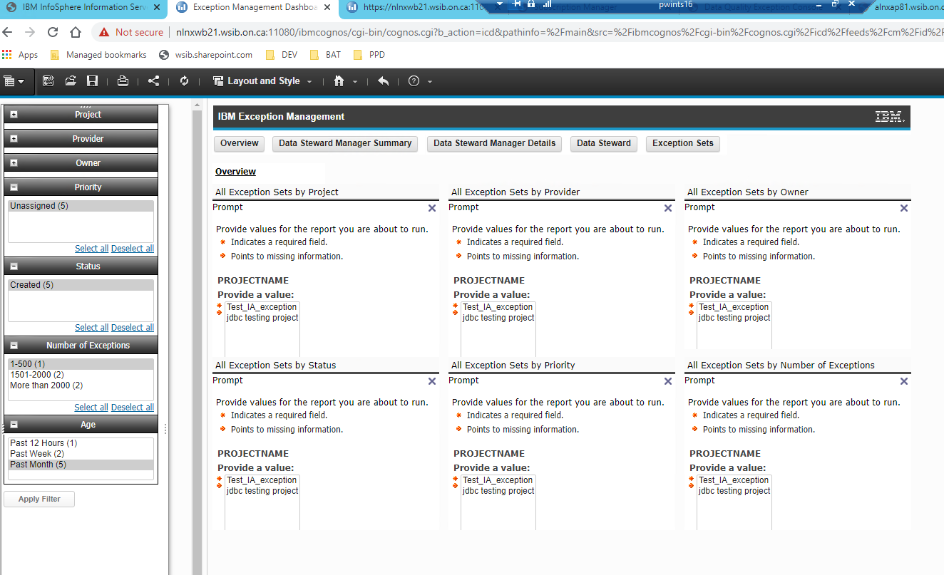
 | EVENT [ Type: NEW_EXCEPTIONS_EVENT, Created on: 2021-06-29 15:00:45, Processed on: 2021-07-08 12:33:05, Properties: [ projectName=Test_IA_exception, exceptionSummaryName=data_rule_exist, exceptionSummaryUID=ec1481df.f92d8a7c.604nkm94f.v3smakg.ilm3jp.9pptiiufm1vfjap9h9lf4, applicationType=Information Analyzer ] ]

 | EVENT [ Type: IA_DATARULE_RUNNING_EVENT, Created on: 2021-06-29 15:13:24, Processed on: 2021-07-08 12:33:05, Properties: [ projectRid=ec1481df.64b1b87d.604nkm7r4.seq5jib.k85da9.iocokmfpdpm1752f2tgor, ruleRid=ec1481df.a5023b17.604nkm985.avlfiuh.964g4c.3ar7htmelfjek26p5p8nd, tamRid=ec1481df.fee6c3ac.604nkm8um.bdqvmd2.a37udm.qlkg06dot19envnuhlukb ] ]

 | EVENT [ Type: NEW_EXCEPTIONS_EVENT, Created on: 2021-06-29 15:13:47, Processed on: 2021-07-08 12:33:06, Properties: [ projectName=Test_IA_exception, exceptionSummaryName=data_rule_date, exceptionSummaryUID=ec1481df.f92d8a7c.604nkm9gl.oc93lgs.6p1kg5.nnd61e9q08cfovekeaipd, applicationType=Information Analyzer ] ]

 | EVENT [ Type: IA_DATARULE_RUNNING_EVENT, Created on: 2021-06-30 10:52:56, Processed on: 2021-07-08 12:33:06, Properties: [ projectRid=ec1481df.64b1b87d.604nkm7r4.seq5jib.k85da9.iocokmfpdpm1752f2tgor, ruleRid=ec1481df.a5023b17.604nknb2t.a2h3je3.ik97et.bcsk3v0pqs68noj1408kq, tamRid=ec1481df.fee6c3ac.604nkm8um.bdqvmd2.a37udm.qlkg06dot19envnuhlukb ] ]

 | EVENT [ Type: NEW_EXCEPTIONS_EVENT, Created on: 2021-06-30 10:53:21, Processed on: 2021-07-08 12:33:06, Properties: [ projectName=Test_IA_exception, exceptionSummaryName=data_rule_existing_closedate, exceptionSummaryUID=ec1481df.f92d8a7c.604nknb8h.909iikt.nslbmc.353a3f1seam5k8nonpal8, applicationType=Information Analyzer ] ]

 | EVENT [ Type: NEW_MANAGED_SET_EVENT, Created on: 2021-06-30 10:53:21, Processed on: 2021-07-08 12:33:07, Properties: [ projectName=Test_IA_exception, exceptionDescriptorName=data_rule_existing_closedate, applicationType=Information Analyzer, exceptionDescriptorUID=ec1481df.a5023b17.604nknb2t.a2h3je3.ik97et.bcsk3v0pqs68noj1408kq ] ]

 | EVENT [ Type: IA_DATARULE_RUNNING_EVENT, Created on: 2021-06-30 11:26:14, Processed on: 2021-07-08 12:33:07, Properties: [ projectRid=ec1481df.64b1b87d.604nkm7r4.seq5jib.k85da9.iocokmfpdpm1752f2tgor, ruleRid=ec1481df.a5023b17.604nknb2t.a2h3je3.ik97et.bcsk3v0pqs68noj1408kq, tamRid=ec1481df.fee6c3ac.604nkm8um.bdqvmd2.a37udm.qlkg06dot19envnuhlukb ] ]

 | EVENT [ Type: NEW_EXCEPTIONS_EVENT, Created on: 2021-06-30 11:26:36, Processed on: 2021-07-08 12:33:08, Properties: [ projectName=Test_IA_exception, exceptionSummaryName=data_rule_existing_closedate, exceptionSummaryUID=ec1481df.f92d8a7c.604nknc6v.j4sha61.n1aiq6.l5mhufv0idfi2i7tu18f4, applicationType=Information Analyzer ] ]

 | EVENT [ Type: NEW_MANAGED_SET_EVENT, Created on: 2021-06-30 11:26:36, Processed on: 2021-07-08 12:33:09, Properties: [ projectName=Test_IA_exception, exceptionDescriptorName=data_rule_existing_closedate, applicationType=Information Analyzer, exceptionDescriptorUID=ec1481df.a5023b17.604nknb2t.a2h3je3.ik97et.bcsk3v0pqs68noj1408kq ] ]

 | EVENT [ Type: IA_DATARULE_RUNNING_EVENT, Created on: 2021-06-30 11:39:15, Processed on: 2021-07-08 12:33:09, Properties: [ projectRid=ec1481df.64b1b87d.604nkm7r4.seq5jib.k85da9.iocokmfpdpm1752f2tgor, ruleRid=ec1481df.a5023b17.604nknb2t.a2h3je3.ik97et.bcsk3v0pqs68noj1408kq, tamRid=ec1481df.fee6c3ac.604nkm8um.bdqvmd2.a37udm.qlkg06dot19envnuhlukb ] ]

 | EVENT [ Type: NEW_EXCEPTIONS_EVENT, Created on: 2021-06-30 11:39:39, Processed on: 2021-07-08 12:33:10, Properties: [ projectName=Test_IA_exception, exceptionSummaryName=data_rule_existing_closedate, exceptionSummaryUID=ec1481df.f92d8a7c.604nknciu.qdnmtg7.ghtjpp.p4pgheedvsfkok5pgm9g5, applicationType=Information Analyzer ] ]

 | EVENT [ Type: NEW_MANAGED_SET_EVENT, Created on: 2021-06-30 11:39:40, Processed on: 2021-07-08 12:33:11, Properties: [ projectName=Test_IA_exception, exceptionDescriptorName=data_rule_existing_closedate, applicationType=Information Analyzer, exceptionDescriptorUID=ec1481df.a5023b17.604nknb2t.a2h3je3.ik97et.bcsk3v0pqs68noj1408kq ] ]

 | EVENT [ Type: IA_DATARULE_RUNNING_EVENT, Created on: 2021-06-30 11:59:38, Processed on: 2021-07-08 12:33:11, Properties: [ projectRid=ec1481df.64b1b87d.604nkm7r4.seq5jib.k85da9.iocokmfpdpm1752f2tgor, ruleRid=ec1481df.a5023b17.604nknd2j.82b67uf.6oekjh.dk2t3esu58v48v1rmcicp, tamRid=ec1481df.fee6c3ac.604nkm853.3gelhoj.dhi3r0.efindqnvvej9hs95tkep7 ] ]

 | EVENT [ Type: NEW_EXCEPTIONS_EVENT, Created on: 2021-06-30 12:00:02, Processed on: 2021-07-08 12:33:12, Properties: [ projectName=Test_IA_exception, exceptionSummaryName=DR_closedate_exist, exceptionSummaryUID=ec1481df.f92d8a7c.604nknd5i.pguuse3.qbscom.9cnhltmdr6ack8167hk9k, applicationType=Information Analyzer ] ]

 | EVENT [ Type: IA_DATARULE_RUNNING_EVENT, Created on: 2021-07-06 15:07:03, Processed on: 2021-07-08 12:33:12, Properties: [ projectRid=ec1481df.64b1b87d.604nkm7r4.seq5jib.k85da9.iocokmfpdpm1752f2tgor, ruleRid=ec1481df.a5023b17.604nknd2j.82b67uf.6oekjh.dk2t3esu58v48v1rmcicp, tamRid=ec1481df.fee6c3ac.604nkm853.3gelhoj.dhi3r0.efindqnvvej9hs95tkep7 ] ]

 | EVENT [ Type: NEW_EXCEPTIONS_EVENT, Created on: 2021-07-06 15:07:42, Processed on: 2021-07-08 12:33:12, Properties: [ projectName=Test_IA_exception, exceptionSummaryName=DR_closedate_exist, exceptionSummaryUID=ec1481df.f92d8a7c.604nkv9na.idb5f0l.36q078.6la50fv7qulho14989opr, applicationType=Information Analyzer ] ]

 | EVENT [ Type: IA_DATARULE_RUNNING_EVENT, Created on: 2021-07-08 12:38:42, Processed on: 2021-07-08 12:39:00, Properties: [ projectRid=ec1481df.64b1b87d.604nkm7r4.seq5jib.k85da9.iocokmfpdpm1752f2tgor, ruleRid=ec1481df.a5023b17.604nknd2j.82b67uf.6oekjh.dk2t3esu58v48v1rmcicp, tamRid=ec1481df.fee6c3ac.604nkm853.3gelhoj.dhi3r0.efindqnvvej9hs95tkep7 ] ]

 | EVENT [ Type: NEW_EXCEPTIONS_EVENT, Created on: 2021-07-08 12:39:10, Processed on: 2021-07-08 12:40:01, Properties: [ projectName=Test_IA_exception, exceptionSummaryName=DR_closedate_exist, exceptionSummaryUID=ec1481df.f92d8a7c.604nl1ns7.kf9h5u0.j3fbod.1l6igcdbq5enqrs4l1qmd, applicationType=Information Analyzer ] ]

